dashboard
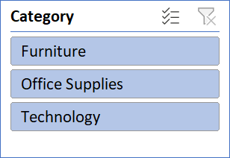
 | Retail Sales Performance & Profitability Dashboard

Total Sales |  | Total Profit | Total Orders | Avg Profit Margin
1565804.3232 |  | 175262.1059 | 5901 | 11%

 | Furniture - Sum of Sales | Furniture - Sum of Profit | Furniture - Sum of Profit_Margin | Office Supplies - Sum of Sales | Office Supplies - Sum of Profit | Office Supplies - Sum of Profit_Margin | Technology - Sum of Sales | Technology - Sum of Profit | Technology - Sum of Profit_Margin
Central | 6.74% | -1534.788 | -1.45% | 9.59% | 6477.6297 | 4.31% | 5.45% | 22507.1654 | 26.37%
East | 7.48% | 3621.5039 | 3.09% | 12.07% | 23248.6104 | 12.30% | 9.20% | 26530.31 | 18.41%
South | 4.66% | 2562.0203 | 3.51% | 6.36% | 11104.9759 | 11.14% | 5.08% | 12884.7201 | 16.21%
West | 9.96% | 5357.875 | 3.44% | 13.08% | 33966.0301 | 16.58% | 10.32% | 28536.0531 | 17.65%

